JH8AN-HD
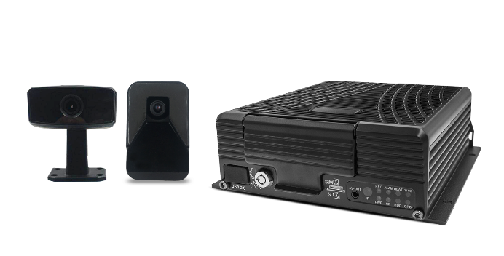
ICARVISIONS (SHENZHEN) TECHNOLOGY CO.,LTD.
Add: 4/F, Block 3, TingWei Industry Park, No.2 HongLangBei Road , BaoAn District, Shenzhen, China
Tel: 0086-755-86019299 Fax: 0086-755-86019266 Email: sale@icarvisions.com

Model: JH8AN-HD |  | Specification

Function |  | JH8AN-HD
System | Language | English / Chinese
 | Operation Interface | Graphical User Interface（OSD menu）
 | Password Security | 2 Levels: Administrator & User
AI Algorithm | DSM (JA-MC921) | Yawning Detection Eyes Closing Detection Smoking Detection Making Phone Calls Detection Distraction Detection Driver Absence Detection Camera Covered Detection Wearing Glasses Detection
 | ADAS (JA-MC920) | Lane Departure Warning Safe Distance Warning Froward Collision Warning Pedestrian Collision Warning
 | BSD（Optional） | Support Blind Spot Detection cameras (2 channels)
Video | Video Input | Option1: Support 2 channels 1080P AHD (DSM & ADAS) + 6 channels 1080P AHD / 960P AHD / 720P AHD / 960H /D1 /CIF + 1 channel IPC (720P /1080P) Video input Option2: Support 8 channels 1080P AHD / 960P AHD / 720P AHD / 960H /D1 /CIF + 1 channel IPC (720P /1080P) Video input Expandable 4-CH 1080 IPC (Need switch): Option1: Support 8 channels 1080P AHD / 960P AHD / 720P AHD / 960H /D1 /CIF + 4 channels IPC (720P /1080P) Video input Note: (8x15 fps) 8-CH 1080P AHD + 1/4-CH 720P/1080P IPC Video input (8x15 fps) 8-CH 1080P AHD camera Video input
 | Video Output | 3 Channels (Front Panel 3.5mm Jack, Rear Panel on 24pin I/O Port & VGA 1080P)
 | Video Display | Single picture, 1~9 pictures
 | Signal System | PAL / NTSC ( PAL@120 frame 1080P/sec; NTSC@120 frame 1080P/sec )
 | Image Compression | H.265 /H.264 Main profile
Audio | Audio Input | 8 Channels
 | Audio Output | 2 Channels (Front Panel 3.5mm Jack, Rear Panel on 24pin I/O Port)
 | Record Format | Synchronized A/V recording
Recording & Storage | Image Resolution | CIF / HD1 / D1 / 960H / 720P /1080P optional
 | Video Bit Rate | CIF: 1536Kbps ~ 128Kbps,
 |  | HD1/D1: 2048Kbps ~ 400Kbps,
 |  | 960H: 2048Kbps ~ 400Kbps,
 |  | 720P:4096Kbps ~ 400Kbps
 |  | 1080P:4096Kbps ~ 400Kbps
 |  | Select from 8 Levels of Video Image Quality ranging from 1(Highest) to 8 (Lowest)
 | Audio Bit Rate | 40Kbps
 | Storage | Up to 4TB HDD/SSD and 1 SD card for backup（at 3G/4G/WIFI model option）
Alarm | Alarm Input | 8 Channels, Select Trigger for either less than 1VDC or greater than 5VDC
 | Alarm Output | 1 Channel, 12V output
Communication Ports | RS485 | 1 Port for PTZ control or Data Device usage
 | RS232 | 2 Ports for communication or Data usage
 | RJ45 Network | 1 Port of RJ45(100M Ethernet port), For connection to an IP camera with maximum of 1080P
 | Speed | 1 Channel（Optional, shared with the port IO /IN 8)
 | CAN | 1 Channel（Optional, shared with the port IO /IN 6/7)
 | USB | 2 ports. The front one is USB 2.0 to download video files, upgrade firmware and plug in a mouse for setup; The rear panel one is USB 2.0 for optional.
Wireless Communication* | 3G/4G* | Supported
 | Wi-Fi* | Internal Wi-Fi 802.11 b/g/n/ac optional
GPS* | Internal Standard GPS* | Internal GPS module. Real-time geographic coordinates, speed information
G-Sensor + Gyroscope | Internal G-Sensor + Gyroscope | Support an integrated 3 axis accelerometer (G-Sensor) and 3 axis gyroscope, to detect crash, harsh breaking, acceleration and cornering.
Software | PC Playback | A/V, GPS, Mapview, Speed, G-Sensor, etc. files available for playback on PC. Limited playback is also available on MDVR
 | IVMS | Wireless (require Wi-Fi or cellular Option) real-time A/V monitoring, GPS, alarms, etc.
Software Upgrade | Local or Remotely | Upgrade through the front USB2.0 or remotely via IVMS platform
Voltage Input | +8～+36V | 8～36VDC Please check operational voltage of vehicle prior to the installation of the MDVR and its accessories to prevent possible damage
Voltage Output | 12V | 12V（+/-0.2V），Max 3A
ACC Detection | ≤4V | Power-off
 | ≥6V | Power-on
Video Input Resistance | 75Ω | 75Ω
Video Output Voltage | 2Vp-p | 2VP-P CVBS output analog signal, screen input requires 75Ω resistance
I / O Port | <1V | Low voltage trigger
 | >5V | High voltage trigger
Operational Temperature | -40℃～80℃ | Install in well ventilated area, protected from moisture, heat, dust and vibration
Dimensions | 192x184x61mm | Including Security Cover 248x184x61mm

